Bug Report
Defect ID | Issue Type | Issue Category | Status | Priority | Severity | Summary | Reported by | Reporter Name | Corresponding Test Case ID | Defect / issue description | Environment | Test Object/System Component | Found in Release | Attachments, if any | Assigned to
1 | Bug | Important feature not working | 1-New | 2-High | 2-High | Cart items are not persisted for future if browser session is closed or users logs out | Customer test team | Kirti Mhaske | Test Case 20: Search Products and Verify Cart After Logout or session restart | Steps to reproduce: 1. Launch browser 2. Navigate to url ' http://www.automationpractice.pl/index.php' 3. Verify that home page is visible successfully 4. Click on 'Women' category 5. Verify user is navigated to ALL PRODUCTS page successfully 6. Enter product name in search input and click search button 7. Verify 'SEARCHED PRODUCTS' is visible 8. Add some products to cart 10. Click 'Cart' button and verify that products are visible in cart 11. Click Sign Out’ button OR close the browser 12. Open the browser and log in again with same email id 13. Again, go to Cart page 14. Verify that the cart still has all the products added in last session Expected: Cart items are preserved for future checkout even after browser restart or logout Observed behavior: Cart items are preserved. Cart gets empty in case if browser restarts or user logout | Backend Servers - QA Environment Client Environment : OS -Windows 10 64bit Browser Used - Chrome Version 126.0.6478.114 (Official Build) (64-bit) | UI | <UI and API build details> |  | Engineer
2 | Bug | Inconsistent results | 1-New | 3-Medium | 3-Medium | Filter for 'In Stock' products shows out of stock items too | Customer project team | Kirti Mhaske | Test Case 9: Search Product | 1. Launch browser 2. Navigate to url ' http://www.automationpractice.pl/index.php' 3. Verify that home page is visible successfully 4. Click on 'Women' category 5. On left hand side Filtering Panel, go to ‘Availability’ section and check ’In Stock’ checkbox Expected: It should only display all the products that are In Stock Observed behavior: It still displays the Out of Stock products too | Backend Servers - QA Environment Client Environment : OS -Windows 10 64bit Browser Used - Chrome Version 126.0.6478.114 (Official Build) (64-bit) | UI | <UI and API build details> | 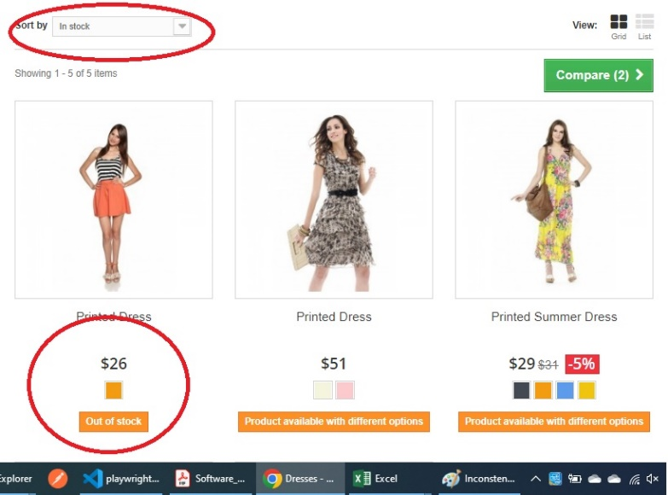 | PM & Engineer for LOE
3 | Bug | Feature not working | 1-New | 2-High | 2-High | Product Availability status is incosistent on Product Details page | Customer project team | Kirti Mhaske | Test Case 13: Verify Product Availability | Steps to Reproduce 1. Launch browser 2. Navigate to url ' http://www.automationpractice.pl/index.php' 3. Verify that home page is visible successfully 4. Click on 'Women' button 5. Verify user is navigated to ALL PRODUCTS page successfully 6. The products list is visible 7. Click on Image or name of product where availability message says 'This product is no longer in stock' 8. User is landed to product detail page 9. Change the Size to M or L 10. Check if the availibity message changes to 'In Stock' 11. Verify that ' Add to Cart' button should be visible if the product is In Stock Expected: ' Add to Cart button should be visible if the product is In Stock Observed behavior: ' Add to Cart button is still not visible even if the product is In Stock | Backend Servers - QA Environment Client Environment : OS -Windows 10 64bit Browser Used - Chrome Version 126.0.6478.114 (Official Build) (64-bit) | UI | <UI and API build details> | 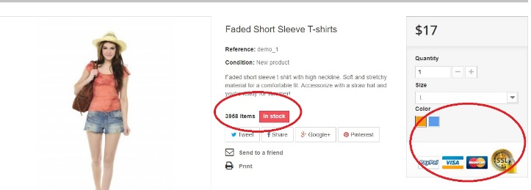
4 | Bug | Field validation issue | 1-New | 2-High | 2-High | Quantity value on Product Details page fails on boundary values | Customer project team | Kirti Mhaske | Test Case 13: Verify Product quantity in Cart | Steps to Reproduce 1. Launch browser 2. Navigate to url ' http://www.automationpractice.pl/index.php' 3. Verify that home page is visible successfully 4. Click on 'Women' button 5. Verify user is navigated to ALL PRODUCTS page successfully 6. The products list is visible 7. Click on Image or name of first product 8. User is landed to product detail page 9. Provide some incorrect values in Quantity field e.g. blank value or -1 or more than max value 10. Check if the Available item quantity gets updated when you add some items to cart 11. Click Add to Cart Expected: It should not add anything to cart and should display an error saying “incorrect quantity” Observed behavior: No Error. It adds 1 item to cart. | Backend Servers - QA Environment Client Environment : OS -Windows 10 64bit Browser Used - Chrome Version 126.0.6478.114 (Official Build) (64-bit) | UI | <UI and API build details>
5 | Enhancement | Important feature not implemented | 1-New | 2-High | 2-High | User cannot cancel order once placed | Customer project team | Kirti Mhaske | Test Case 24: Cancel order from order history page | Steps to Reproduce : 1. Launch browser 2. Login to the app and complete the order using steps mentioned in above test case 3. Open Order History table 4. Verify that user has an option to cancel the order Expected: User should have an option to Cancel any placed order until it is delivered Observed behavior: User don’t have any option to cancel an order | Backend Servers - QA Environment Client Environment : OS -Windows 10 64bit Browser Used - Chrome Version 126.0.6478.114 (Official Build) (64-bit) | UI | <UI and API build details>
6 | Bug | Feature not working | 1-New | 3-Medium | 3-Medium | Forgot Password Feature does not work | Customer test team | Kirti Mhaske | Test Case 5: Forgot Password | Steps to reproduce: 1. Launch browser 2. Navigate to url 'http://www.automationpractice.pl/index.php' 3. Verify that home page is visible successfully 4. Click on 'Signup' button 5. Verify ‘Already Registered’ section is visible 7. Enter correct email id 8. Click ‘Forgot Password’ button 9. Enter your email id to receive a link to reset password 10. Check your inbox for email Expected: User receives an email with password reset link in few seconds Observed behavior: User does not receive an email with password reset link | Backend Servers - QA Environment Client Environment : OS -Windows 10 64bit Browser Used - Chrome Version 126.0.6478.114 (Official Build) (64-bit) | UI | <UI and API build details> |  | Engineer
7 | Bug | Regulatory Requirements related Feature not working | 1-New | 2-High | 2-High | Terms and Condition' link on carrier selection page is not working | Customer test team | Kirti Mhaske |  | Steps to reproduce: 1. Launch browser 2. Navigate to url 'http://www.automationpractice.pl/index.php' 3. Verify that home page is visible successfully 4. Sign in with valid email id 7. Add some products to cart and click ‘Proceed to checkout’ button 8. Confirm Address and proceed to checkout to get on Carrier selection page 9. Click on the ‘Terms and Conditions’ link to read through the terms Expected: Link should open successfully and show the list of terms and conditions Observed behavior: Link does not open. It shows an error message “Page does not found” | Backend Servers - QA Environment Client Environment : OS -Windows 10 64bit Browser Used - Chrome Version 126.0.6478.114 (Official Build) (64-bit) | UI | <UI and API build details> |  | Engineer & PM
8 | Bug | Cosmetic issue | 1-New | 3-Medium | 3-Medium | Follow Us on Facebook' textbox is not enabled | Customer test team | Kirti Mhaske |  | Steps to reproduce: 1. Launch browser 2. Navigate to url 'http://www.automationpractice.pl/index.php' 3. Verify that home page is visible successfully 4. At the bottom of home page, there is a text box with label ‘Follow Us on Facebook’ 5. Text box does not accept any input Expected: User should be able enter some text Observed behavior: Text box does not accept any input | Backend Servers - QA Environment Client Environment : OS -Windows 10 64bit Browser Used - Chrome Version 126.0.6478.114 (Official Build) (64-bit) | UI | <UI and API build details> |  | Engineer

